Utkarsh's formulation
If I were to assume a total of 8 suppliers with iPhone made up of total 4 components and 3 assemblers
Also, if China: j =1

Decision Variable: X(ijk): Binary
min[$\sum_{k=1}^{4}{}\sum_{i=1}^{8}{1.15\left(C_{i1k }∗ x_{i1k }\right)} + \sum_{j=2}^{3}{}\sum_{k=1}^{4}{}\sum_{i=1}^{8}{\left(C_{ijk }∗ x_{ijk }\right)}$]
Objective Function:

min[$\sum_{i}{x_{ijk }}$] = 1
S.t. | for j = (1,2,3) for(k =1,2,3,4) | => There should be only 1 supplier for 1 component to 1 city

min[$\sum_{i}{x_{ijk }}$] <= 1
S.t. | for j = (1,2,3) for(i =1,2,3…,8) | => There can be max. 1 component supplied from 1 supplier to 1 city

min[$\sum_{i}{x_{ijk }}$] <= 1
S.t. | for k = (1,2,3,4) for(i =1,2,3…,8) | => 1 component can be supplied by 1 supplier to max of 3 countries (because we have 3 assemblers)

 |  |  |  | Groubi result

 |  |  |  |  | RMCost | k = Component |  |  |  |  |  | AssemblyCost | k = Component
 |  |  | supplier | i = 1 | j = factory | 1 | 2 | 3 | 4 | supplier | i = 1 | j = factory | 1 | 2 | 3 | 4
 |  |  |  | CN | 1 | 10 | 10000 | 10000 | 10000 |  | CN | 1 | 1.1 | 10000 | 10000 | 10000
 |  |  |  | IN | 2 | 11 | 10000 | 10000 | 10000 |  | IN | 2 | 2.1 | 10000 | 10000 | 10000
 |  |  |  | BR | 3 | 12 | 10000 | 10000 | 10000 |  | BR | 3 | 3.1 | 10000 | 10000 | 10000

 |  |  |  |  | RMCost | k = Component |  |  |  |  |  | RMCost | k = Component
 |  |  | supplier | i = 2 | j = factory | 1 | 2 | 3 | 4 | supplier | i = 2 | j = factory | 1 | 2 | 3 | 4
 |  |  |  |  | 1 | 13 | 10000 | 10000 | 10000 |  |  | 1 | 1.1 | 10000 | 10000 | 10000
 |  |  |  |  | 2 | 14 | 10000 | 10000 | 10000 |  |  | 2 | 2.1 | 10000 | 10000 | 10000
 |  |  |  |  | 3 | 15 | 10000 | 10000 | 10000 |  |  | 3 | 3.1 | 10000 | 10000 | 10000

 |  |  |  |  | RMCost | k = Component |  |  |  |  |  | RMCost | k = Component
 |  |  | supplier | i = 3 | j = factory | 1 | 2 | 3 | 4 | supplier | i = 3 | j = factory | 1 | 2 | 3 | 4
 |  |  |  |  | 1 | 10000 | 16 | 10000 | 10000 |  |  | 1 | 10000 | 1.2 | 10000 | 10000
 |  |  |  |  | 2 | 10000 | 17 | 10000 | 10000 |  |  | 2 | 10000 | 2.2 | 10000 | 10000
 |  |  |  |  | 3 | 10000 | 18 | 10000 | 10000 |  |  | 3 | 10000 | 3.2 | 10000 | 10000

 |  |  |  |  | RMCost | k = Component |  |  |  |  |  | RMCost | k = Component
 |  |  | supplier | i = 4 | j = factory | 1 | 2 | 3 | 4 | supplier | i = 4 | j = factory | 1 | 2 | 3 | 4
 |  |  |  |  | 1 | 10000 | 19 | 10000 | 10000 |  |  | 1 | 10000 | 1.2 | 10000 | 10000
 |  |  |  |  | 2 | 10000 | 20 | 10000 | 10000 |  |  | 2 | 10000 | 2.2 | 10000 | 10000
 |  |  |  |  | 3 | 10000 | 21 | 10000 | 10000 |  |  | 3 | 10000 | 3.2 | 10000 | 10000

 |  |  | supplier | i = 5 | j = factory | 1 | 2 | 3 | 4 | supplier | i = 5 | j = factory | 1 | 2 | 3 | 4
 |  |  |  |  | 1 | 10000 | 10000 | 22 | 10000 |  |  | 1 | 10000 | 10000 | 1.3 | 10000
 |  |  |  |  | 2 | 10000 | 10000 | 23 | 10000 |  |  | 2 | 10000 | 10000 | 2.3 | 10000
 |  |  |  |  | 3 | 10000 | 10000 | 24 | 10000 |  |  | 3 | 10000 | 10000 | 3.3 | 10000

 |  |  | supplier | i = 6 | j = factory | 1 | 2 | 3 | 4 | supplier | i = 6 | j = factory | 1 | 2 | 3 | 4
 |  |  |  |  | 1 | 10000 | 10000 | 25 | 10000 |  |  | 1 | 10000 | 10000 | 1.3 | 10000
 |  |  |  |  | 2 | 10000 | 10000 | 26 | 10000 |  |  | 2 | 10000 | 10000 | 2.3 | 10000
 |  |  |  |  | 3 | 10000 | 10000 | 27 | 10000 |  |  | 3 | 10000 | 10000 | 3.3 | 10000

 |  |  | supplier | i = 7 | j = factory | 1 | 2 | 3 | 4 | supplier | i = 7 | j = factory | 1 | 2 | 3 | 4
 |  |  |  |  | 1 | 10000 | 10000 | 10000 | 28 |  |  | 1 | 10000 | 10000 | 10000 | 1.4
 |  |  |  |  | 2 | 10000 | 10000 | 10000 | 29 |  |  | 2 | 10000 | 10000 | 10000 | 2.4
 |  |  |  |  | 3 | 10000 | 10000 | 10000 | 30 |  |  | 3 | 10000 | 10000 | 10000 | 3.4

 |  |  | supplier | i = 8 | j = factory | 1 | 2 | 3 | 4 | supplier | i = 8 | j = factory | 1 | 2 | 3 | 4
 |  |  |  |  | 1 | 10000 | 10000 | 10000 | 31 |  |  | 1 | 10000 | 10000 | 10000 | 1.4
 |  |  |  |  | 2 | 10000 | 10000 | 10000 | 32 |  |  | 2 | 10000 | 10000 | 10000 | 2.4
 |  |  |  |  | 3 | 10000 | 10000 | 10000 | 33 |  |  | 3 | 10000 | 10000 | 10000 | 3.4

Material Cost
 |  |  | Supplier 1 |  |  |  |  |  |  | Supplier 2
Components | Raw Material Cost in USD |  | Supplier | Supplier Location | Part No. | Unit Price(USD) | Factory landed cost from Supplier 1 |  |  | Supplier | Supplier Location | Part No. | Unit Price(USD) | Factory landed cost from Supplier 2
Test/Assembly/Supporting Materials | 24.5 | Production Cost? | Foxconn | China |  |  | CN | IN | BR | Pegatron | China |  |  | CN | IN | BR | =RAND()/10 | =RANDBETWEEN(-1,1) | =G4*(1+M4)
Mechanicals/Housings | 58.0 | Material OverHead | Foxconn | China |  | 71.50 | 71.50 | 71.70 | 72.10 | Pegatron | China |  | 74.58 | 74.58 | 74.78 | 75.18 | 0.04 | 1 | 74.58
Power Management/Audio | 14.5 | Material OverHead | Apple/Cirrus | USA | APL1091/338S00248 | 22.25 | 22.85 | 22.85 | 22.45 | Delta | Taiwan | APL1091/338S00248 | 23.49 | 23.69 | 23.69 | 24.09 | 0.06 | 1 | 23.49
Mixed Singal/RF | 23.0 | Material OverHead | Intel | USA | PMB9955/5762/6829 | 17.00 | 17.60 | 17.60 | 17.20 | Qualcomm | USA | PMB9955/5762/6829 | 17.38 | 17.98 | 17.98 | 17.58 | 0.02 | -1 | 17.38
Memory | 64.5 | Material OverHead | Sandisk | USA | SDMPEGFI2-064G | 40.75 | 41.35 | 41.35 | 40.95 | Toshiba | Japan | SDMPEGFI2-064G | 43.66 | 43.86 | 43.86 | 44.26 | 0.07 | -1 | 43.66
Display | 90.5 | Material OverHead | Samsung | Korea | AMB646NH01 | 120.00 | 120.20 | 120.20 | 120.60 | JDI | Japan | AMB646NH01 | 123.21 | 123.41 | 123.41 | 123.81 | 0.03 | -1 | 123.21
Cameras | 44.0 | Material OverHead | Largan | Taiwan |  | 37.60 | 37.80 | 37.80 | 38.20 | LG | Korea |  | 38.47 | 38.67 | 38.67 | 39.07 | 0.02 | -1 | 38.47
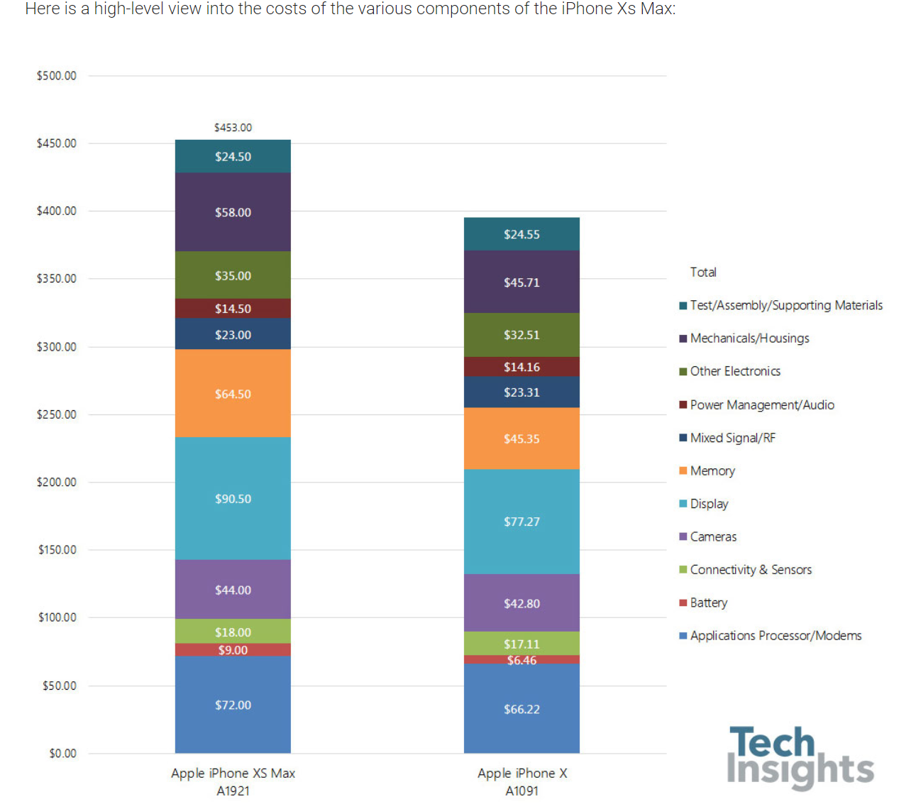
Battery | 9.0 | Material OverHead | Sunwoda | China | 616-00506 | 6.50 | 6.50 | 6.70 | 6.70 | Samsung | Korea | 616-00506 | 7.05 | 7.25 | 7.25 | 7.65 | 0.08 | 1 | 7.05
Applications Processor/Modems | 72.0 | Material OverHead | Apple | USA | APL1W81 | 30.00 | 30.60 | 30.60 | 30.20 | AMD | USA | APL1W81 | 30.46 | 31.06 | 31.06 | 30.66 | 0.02 | 1 | 30.46
 | 453.0 |  |  |  |  | 345.60 |  |  |  |  |  |  | 358.30

Micheal: A very good breakdown of costs + country in the link below:
https://benchmarking.ihsmarkit.com/606680/iphone-xs-max-costs-apple-20-more-in-materials-than-last-years-smaller-iphone-x-ihs-markit-teardown-reveals
 |  |  |  |  |  |  |  |  |  | for same country, keep same landed cost as green part
Allison: Average Labor fee info. From Foxconn HR dept. |  |  |  |  |  |  |  |  |  | for different country from suppliers to factory, add 0.2 for Asia to Asia, 0.6 for Asia to US/US to Asia
China: RMB3,600 ( USD 515) |  | 24.50
India: INR 15,000 ( USD 212) |  | 10.09
Brazil: BRL 2,200 ( USD 550) |  | 26.17
 |  |  |  |  |  |  |  |  |  | used in model | cheaper one

 |  |  |  |  |  |  | Adjusted between supplier 1 and 2

 |  |  |  |  |  |  | CN | IN | BR |  |  |  |  | CN | IN | BR
 |  |  |  |  |  |  | 71.50 | 74.78 | 72.10 |  |  |  |  | 74.58 | 71.70 | 75.18
 |  |  |  |  |  |  | 23.69 | 22.85 | 22.45 |  |  |  |  | 22.85 | 23.69 | 24.09
 |  |  |  |  |  |  | 17.60 | 17.98 | 17.58 |  |  |  |  | 17.98 | 17.60 | 17.20
 |  |  |  |  |  |  | 43.86 | 41.35 | 44.26 |  |  |  |  | 41.35 | 43.86 | 40.95
 |  |  |  |  |  |  | 120.20 | 123.41 | 120.60 |  |  |  |  | 123.41 | 120.20 | 123.81
 |  |  |  |  |  |  | 38.67 | 37.80 | 38.20 |  |  |  |  | 37.80 | 38.67 | 39.07
 |  |  |  |  |  |  | 7.25 | 6.70 | 6.70 |  |  |  |  | 6.50 | 7.25 | 7.65
 |  |  |  |  |  |  | 30.60 | 30.60 | 30.66 |  |  |  |  | 31.06 | 31.06 | 30.20

